Rapid Assessment
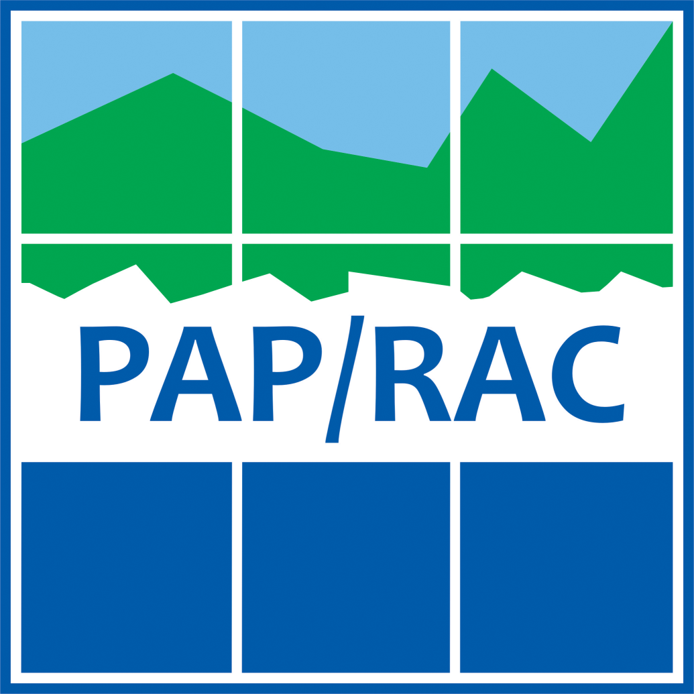
 | Ecosystem Approach Checklist for MSP in the Mediterranean

 | Date |  | Name

1 | Prepare: starting the process and getting organised
 | Action | Additional Info | IMPLEMENTATION LEVEL (self-assessment) | How did you address this task in the MSP process? (max 250 characters) | If you haven't completed the task, why did you not consider or implement it? What were the main barriers encountered? (max 250 characters) | PRIORITY
 | Include marine scientists (in particular marine biologists and ecologists) in the multidisciplinary team developing the plan | Science based decision-making and planning is a key feature of the MSP process. Make sure you involve experts on natural science disciplines who are at the same level of those providing other expertise (e.g., socio-economic ones). |  |  |  | High
 | Adopt a long-term perspective in the planning process, to properly consider long-term changes in ecosystems | Include climate change as a long-term driving force of change for ecosystems. Other long-medium term driving forces include international and national policies and strategies setting goals for nature conservation and of economic development of maritime human activities with impacts on ecosystems. |  |  |  | Medium
 | Include land-sea interactions in the plan design | Marine and coastal activities are often closely interrelated: land-based activities can deeply impact the marine environment as well as sea-based activities can impact land ecosystems. At this stage, ensure that relevant coastal uses and activities are included in the analysis identified along with maritime activities. |  |  |  | Low
 | Gather best available scientific information about ecosystems and their dynamics, and assess information gaps and information uncertainties | Available and readily usable information on ecosystems characteristics, evolution, processes and service shall be collected and structured in a way it can feed into the planning process. Try to focus only on data and information relevant for your MSP. Also, they should include spatial information as much as possible. Data should also be made available to the team working on SEA, where applicable. |  |  |  | Low
 | Include transboundary data exchange to help address ecosystem dynamics extending beyond national borders | While States are responsible for the formulation and implementation of marine spatial plans in the marine waters falling under their sovereignty, seas form continuous systems extending beyond national borders. Marine areas and related challenges are often shared between neighbouring States. Best available knowledge on adverse environmental impacts of human activities across boundaries should be considered. Including consultations and cooperation among States from the beginning of the process will help to create common understanding and evaluation. |  |  |  | Low
2 | Agree the destination: assessing the context and defining a vision
 | Action | Additional Info | IMPLEMENTATION LEVEL (self-assessment) | How did you address this task in the MSP process? (max 250 characters) | If you haven't completed the task, why did you not consider or implement it? What were the main barriers encountered? (max 250 characters) | PRIORITY
 | Identify relevant subnational, national and international policies, programs and plans dealing with ecosystem and biodiversity, which need to be taken into account in the MSP process | At the Mediterranean level consider in particular the implementation of: the Convention on Biological Diversity (CBD), the Ecosystem Approach (EcAp) Roadmap, Integrated Monitoring and Assessment Programme of the Mediterranean Sea and Coast and Related Assessment Criteria (IMAP), Integrated Coastal Zone Management Protocol (ICZM). At the European level consider in particular the implementation of: Birds and Habitat Directives, Marine Strategy Framework Directive (MSFD), Common Fisheries Policy (CFP), EU Biodiversity Strategy, Water Framework Directive (WFD). |  |  |  | Low
 | Ensure coherence between the MSP vision as well as the goals and objectives set at international and national level for the protection of marine and coastal ecosystems and biodiversity, towards good environmental status (GES) | MSP is by definition a cross-cutting policy which needs to be coherently implemented with all other obligations. Ensure to align the MSP vision and goals with those set in other policies of strategic relevance for marine protection. |  |  |  | Low
 | Adopt the precautionary principle to exclude risks and hazards of human activities on the marine ecosystem | Precautionary principle is an approach to risk management. It should be applied when scientific evidence about an environmental hazard caused by a policy or a measure is uncertain. If there is still no scientific agreement on a given issue, the policy or action should not be carried out. Periodic analysis of scientific data should be used to revise the decision-making process. |  |  |  | Low
3 | Map the present: analysing existing conditions
 | Action | Additional Info | IMPLEMENTATION LEVEL (self-assessment) | How did you address this task in the MSP process? (max 250 characters) | If you haven't completed the task, why did you not consider or implement it? What were the main barriers encountered? (max 250 characters) | PRIORITY
 | Map Marine Protected Areas and Other Effective Area-based Conservation Measures | MPAs and OECMs (including Natura 2000 sites, Fisheries Restricted areas, areas safeguarded under international agreements) aim to protect and manage ecosystems of great ecological value, offering refuge for endangered species, preserving threatened habita |  |  |  | Low
 | Identify, assess and possibly map ecosystem services provided by the considered marine area and analyse how they support maritime activities and human well-being | Ecosystem services are the direct and indirect contributions of ecosystems to human well-being. Marine ecosystem services include: food provision, water purification, lifecycle maintenance, tourism and recreation, as well as climate regulation. Mapping of ecosystem services can assist decision-makers identify possible critical areas that need special attention when allocating human activities at sea. |  |  |  | Low
 | Analyse impacts of human activities on marine ecosystems | Impacts of human activities can be direct or indirect, short or long-term, permanent or temporary, positive or negative and should be assessed accordingly. The cumulative assessment of impacts generated by multiple human activities should also be performed. Qualitative methods (based on expert judgement, scientific literature and technical reports) or quantitative methods (based on the use of dedicated tools) are available.
 | Analyse interactions (conflicts and synergies) among area-based protection measures (MPAs and Other Effective area-based Conservation Measures) and other maritime uses | Marine Protected Areas and Other Effective area-based Conservation Measures (e.g. Natura 2000 sites, Fisheries restricted areas, international agreement for the protection of a given resource, etc.) should be taken into account to analyse interactions with other uses. Positive (synergies) and negative (conflicts) should both be considered. Qualitative and quantitative assessment methods can be used. Qualitative approaches are based on the analysis of scientific literature, technical reports and empirical knowledge about how human activities are interfering with the conservation objectives of protected areas. Quantitative approaches can be based on dedicated numerical tools that assign conflict scores to each pair of interacting uses.
 | Including main external sources of pressure when analysing the impact of human activities on the marine environment | Land-based sources and transboundary sources should be included in the impact analysis, together with sea-based ones.
 | Identify hot-spot areas of impact | Hot spot areas can be identified as areas with: (i) high number of pressures and impacts due to the overlap of multiple land-based and/or maritime activities; (ii) high vulnerability, due to the presence of particularly sensitive species and habitats; (iii) a combination of these two elements. A wide range of methodologies are available to identify hot spot areas, including those based on expert knowledge, indicators, modelling, spatial analysis, etc.
 | Identify human activities (and related synergies) that can alleviate pressures on the marine environment | Not all human activities have detrimental effects on marine ecosystems. The marine spatial plan should identify and stress the role of those maritime activities that can alleviate pressure on the marine environment. Examples can include: sustainable forms of fisheries performed in accomplishment with the principle of Common Fisheries Policy; sustainable tourism initiatives that valorise the local culture and economy providing benefits for local communities; nature-based solutions (e.g. dune protection and reconstruction) to address erosion and storm surge risks, also in response to climate change.
4 | Map the future: analysis of future conditions
 | Action | Additional Info | IMPLEMENTATION LEVEL (self-assessment) | How did you address this task in the MSP process? (max 250 characters) | If you haven't completed the task, why did you not consider or implement it? What were the main barriers encountered? (max 250 characters) | PRIORITY
 | Consider major drivers of change for ecosystems: climate change, change in human pressures according to the socio-economic scenarios considered in the marine spatial plan, change in protection measures, etc. | Climate change is a global threat for marine and coastal ecosystems. Warmer and more acidic seawaters with lower oxygen content are expected as a result of global warming. Shift in marine species distribution (with tropicalisation effects) and food web alteration are already being experienced across the Mediterranean Sea. More relevant climate change effects should be identified and quantified, together with the evolution of other human related pressures on the marine environment, in particular as a consequence of the implementation of MSP objectives and related measures. |  |  |  | Low
 | Analyse impacts of human activities on marine ecosystems | Impacts of human activities on ecosystems, already assessed in the current conditions, should also be considered in future conditions. The future-oriented analysis should also consider possible new impacts (e.g. due to the expansion of the new maritime sector). Whenever possible, use different spatial scenarios to map future distribution of human activities and related effects on marine ecosystems and habitats. |  |  |  | High
 | Identify hot spot areas in future conditions according to the scenarios developed in the plan | Identify major hot spot areas using the analysis of future impacts on marine ecosystems. Hot spot areas can be identified as areas with: (i) high number of pressures and impacts due to the overlap of multiple land-based and/or maritime activities; (ii) high vulnerability, due to the presence of particularly sensitive species and habitats; (iii) a combination of these two elements. |  |  |  | Medium
5 | Design the plan: elaborating the Marine Spatial Plan
 | Action | Additional Info | IMPLEMENTATION LEVEL (self-assessment) | How did you address this task in the MSP process? (max 250 characters) | If you haven't completed the task, why did you not consider or implement it? What were the main barriers encountered? (max 250 characters) | PRIORITY
 | Include preservation of ecosystem functioning and ecosystem services as specific objectives of MSP | MSP does not just deal with the sustainable planning and management of the blue economy; it also aims for improved protection of marine ecosystems, as well as considering the services they provide for many human activities. |  |  |  | Low
 | Include balanced objectives of nature conservation, economic development and social well-being. Planning objectives and corresponding measures should address achieving or maintaining GES. | MSP aims for the sustainable management of marine space. The process deserves equal attention and priority to socio-economic and environmental goals. |  |  |  | Low
 | Together with administrative boundaries, whenever possible consider natural (ecosystem) boundaries in the definition of marine planning units | Marine processes, ecosystem dynamics and marine species movement clearly occur across administrative boundaries. These elements should be considered when dealing with the definition of marine planning units. However, this is hard to achieve due to the legal nature of the MSP process, requiring coastal States to plan marine water falling under their sovereignty. A pragmatic approach that enables administrative boundaries to continue being the main element for marine planning units whilst taking into account transboundary natural processes is more realistic. . |  |  |  | Low
 | Establish spatial allocation of maritime activities taking into consideration the latest knowledge on ecosystems | Avoid vulnerable and valuable ecosystems when allocating maritime human activities. Spatial allocation of such activities should avoid (or at least minimise) direct and indirect impacts on ecosystems. Several methodologies and tools are available for ecosystem-based allocation of human activities at sea, as for example for aquaculture and fisheries. |  |  |  | Low
 | Establish spatial allocation of human activities at sea taking into proper consideration existing (and in process of being designated) Marine Protected Areas and Other Effective Area-based Conservation Measures and their connectivity | Avoid conflicts with existing and newly planned Marine Protected Areas and Other Effective Area-based Conservation Measures when dealing with planning for human maritime activities. Based on the available knowledge, ensure that planned human activities do not negatively interfere with the connectivity among protected areas and more in general among areas and corridors used by marine species to move. |  |  |  | Low
 | Assess environmental effects of allocated maritime activities also beyond the marine planning area | Possible impacts of established and newly planned activities can potentially affect zones beyond the MSP planning area, also located in the marine space of other countries. Such externalities must be properly assessed and minimised through proper spatial planning and identification of measures. |  |  |  | Low
6 | Get results: implementing, monitoring and evaluating the Marine Spatial Plan
 | Action | Additional Info | IMPLEMENTATION LEVEL (self-assessment) | How did you address this task in the MSP process? (max 250 characters) | If you haven't completed the task, why did you not consider or implement it? What were the main barriers encountered? (max 250 characters) | PRIORITY
 | Select indicators for ecological and environmental state of the marine areas, to assess the effect of the plan on the environmental characteristics, towards GES | Both IMAP (at Mediterranean level) and WFD and MSFD (at EU level) establish monitoring programmes based on a set of descriptors, indicators and targets to assess the environmental state of marine and coastal waters. Synergies with these monitoring programmes should be maximised. |  |  |  | Low
 | Select indicators to assess progress toward the international biodiversity targets (in particular extension of marine protected areas and their actual management) | The implementation of the plan should work towards the achievement of : (i) the Aichi Target 11 of the Convention of Biological Biodiversity that establishes that a 10% of coastal and marine areas, especially areas of particular importance for biodiversity and ecosystem services, are conserved through protected areas and other effective area-based conservation measures; (ii) the even more ambitious target of the EU Biodiversity Strategy to transform at least 30% of Europe's lands and seas into effectively managed protected areas. |  |  |  | Low
 | Regularly assess and update the plan, according to the results of the monitoring programmes, also taking ecological and environmental issues into consideration | Monitoring, assessing and reviewing are essential components of any plan implementation. Monitoring and evaluation of the evolution of ecological and environmental conditions should support revisions to the plan, if needed, to make corrections and improvements (e.g. eliminate or minimise the negative impact of a newly implemented human activity). |  |  |  | Low
 | Regularly assess and update the plan to include new policies or strategies setting more stringent international conservation objectives | Together with the results of environmental monitoring and assessment, regular updates of the plan should specifically take into consideration: (i) policies or strategies setting new (i.e. more ambitious) international or national conservation objectives, (ii) policies or strategies driving new economic development activities, which might generate conflicts with environmental protection goals. |  |  |  | Low

